PivotTables
Count of WINNER NAME | Column Labels |  |  |  | Count of WINNER NAME | Column Labels |  | Indian National Congress - INC | 99 | Bharatiya Janata Party - BJP | 303 | Bharatiya Janata Party - BJP | 240
Row Labels | 2024 | 2019 | 55.80% |  | Row Labels | 2019 | 2024 | Assam | 3 | Andaman & Nicobar Islands |  | Andaman & Nicobar Islands | 1
Bharatiya Janata Party - BJP | 240 | 303 | 44.20% |  | All India Trinamool Congress - AITC | 22 | 29 | Bihar | 3 | Andhra Pradesh |  | Andhra Pradesh | 3
Indian National Congress - INC | 99 | 52 | 18.23% |  | Bharatiya Janata Party - BJP | 303 | 240 | Chandigarh | 1 | Arunachal Pradesh | 2 | Arunachal Pradesh | 2
Grand Total | 339 | 355 | 81.77% |  | Dravida Munnetra Kazhagam - DMK | 24 | 22 | Chhattisgarh | 1 | Assam | 9 | Assam | 9
 |  |  |  |  | Indian National Congress - INC | 52 | 99 | Goa | 1 | Bihar | 17 | Bihar | 12
SEAT %
 |  |  |  |  | Samajwadi Party - SP | 5 | 37 | Gujarat | 1 | Chandigarh | 1 | Chhattisgarh | 10
SEAT %
 |  |  |  |  |  |  |  | Haryana | 5 | Chhattisgarh | 9 | Dadra & Nagar Haveli and Daman & Diu | 1
 |  |  |  |  |  |  |  | Jharkhand | 2 | Dadra & Nagar Haveli and Daman & Diu |  | Delhi | 7
 |  |  |  |  |  |  |  | Karnataka | 9 | Daman & Diu | 1 | Goa | 1
 |  |  |  |  |  |  |  | Kerala | 14 | Delhi |  | Gujarat | 25
 |  |  |  | Count of WINNER NAME | Column Labels |  |  | Lakshadweep | 1 | Goa | 1 | Haryana | 5
 |  |  |  | Row Labels | 2019 | 2024 |  | Maharashtra | 13 | Gujarat | 26 | Himachal Pradesh | 4
 |  |  |  | Communist Party of India (Marxist) - CPI(M) | 3 | 4 |  | Manipur | 2 | Haryana | 10 | Jammu and Kashmir | 2
 |  |  |  | Kerala | 1 | 1 |  | Meghalaya | 1 | Himachal Pradesh | 4 | Jharkhand | 8
 |  |  |  | Rajasthan |  | 1 |  | Nagaland | 1 | Jammu & Kashmir | 3 | Karnataka | 17
 |  |  |  | Tamil Nadu | 2 | 2 |  | Odisha | 1 | Jammu and Kashmir |  | Kerala | 1
 |  |  |  |  |  |  |  | Puducherry | 1 | Jharkhand | 11 | Madhya Pradesh | 29
 |  |  |  |  |  |  |  | Punjab | 7 | Karnataka | 25 | Maharashtra | 9
 |  |  |  |  |  |  |  | Rajasthan | 8 | Kerala |  | Odisha | 20
 |  |  |  |  |  |  |  | Tamil Nadu | 9 | Madhya Pradesh | 28 | Rajasthan | 14
 |  |  |  |  |  |  |  | Telangana | 8 | Maharashtra | 23 | Telangana | 8
 |  |  |  |  |  |  |  | Uttar Pradesh | 6 | Manipur | 1 | Tripura | 2
 |  |  |  |  |  |  |  | West Bengal | 1 | NCT OF Delhi | 7 | Uttar Pradesh | 33
 |  |  |  |  |  |  |  |  |  | Odisha | 8 | Uttarakhand | 5
 |  |  |  |  |  |  |  |  |  | Punjab | 2 | West Bengal | 12
 |  |  |  |  |  |  |  | Indian National Congress - INC | 52 | Rajasthan | 24
 |  |  |  |  |  |  |  | Andaman & Nicobar Islands | 1 | Telangana | 4
 |  |  |  |  |  |  |  | Assam | 3 | Tripura | 2
 |  |  |  |  |  |  |  | Bihar | 1 | Uttar Pradesh | 62
 |  |  |  |  |  |  |  | Chhattisgarh | 2 | Uttarakhand | 5
 |  |  |  |  |  |  |  | Goa | 1 | West Bengal | 18
 |  |  |  |  |  |  |  | Jharkhand | 1
 |  |  |  |  |  |  |  | Karnataka | 1
 |  |  |  |  |  |  |  | Kerala | 15
 |  |  |  |  |  |  |  | Madhya Pradesh | 1
 |  |  |  |  |  |  |  | Maharashtra | 1
 |  |  |  |  |  |  |  | Meghalaya | 1
 |  |  |  |  |  |  |  | Odisha | 1
 |  |  |  |  |  |  |  | Puducherry | 1
 |  |  |  |  |  |  |  | Punjab | 8
 |  |  |  |  |  |  |  | Tamil Nadu | 8
 |  |  |  |  |  |  |  | Telangana | 3
 |  |  |  |  |  |  |  | Uttar Pradesh | 1
 |  |  |  |  |  |  |  | West Bengal | 2

Dashboard
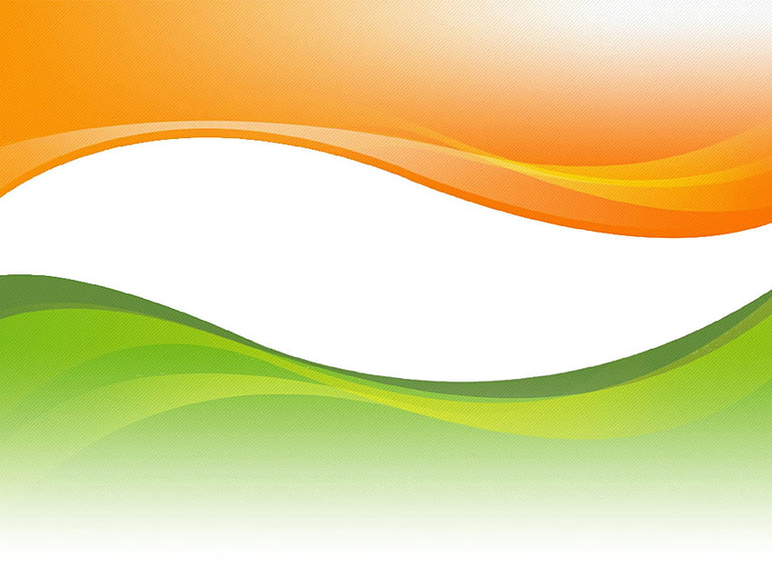
INDIAN GENERAL ELECTIONS 2019 AND 2024 COMPARISION DASHBOARD

BHARTIYA JANATA PARTY
INDIAN NATIONAL CONGRESS
Performance of Party in States
 | 2019 | 2024
Kerala | 1 | 1
Rajasthan |  | 1
Tamil Nadu | 2 | 2

SEAT %
 | 55.80%
 | 44.20%
SEAT %
 | 18.23%
 | 81.77%
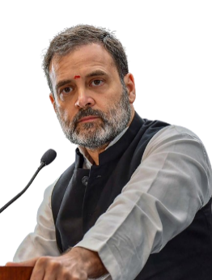
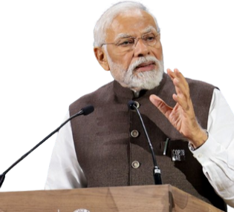

240
44.20%
99
18.23%

SEATS

Top 5 Performers in State (or Country)
 | 2019 | 2024
All India Trinamool Congress - AITC | 22 | 29
Bharatiya Janata Party - BJP | 303 | 240
Dravida Munnetra Kazhagam - DMK | 24 | 22
Indian National Congress - INC | 52 | 99
Samajwadi Party - SP | 5 | 37

